State wise Report
 | SATE/ UT
85.5 | 19
40 | 27
93 | 67
87 | 60
65 | 57
50 | 43
35 | 74
36 | 67
26 | 28
18 | 50
32 | 69
37 | 77
30 | 85
62 | 51
30 | 25
34.5 | 13
40 | 83
40 | 50
30 | 40
80 | 57
89 | 55
86 | 50
60 | 43
44 | 18
30 | 74
25 | 60
40 | 15
40 | 35
82.5 | 52
50 | 60
43 | 72
70 | 50
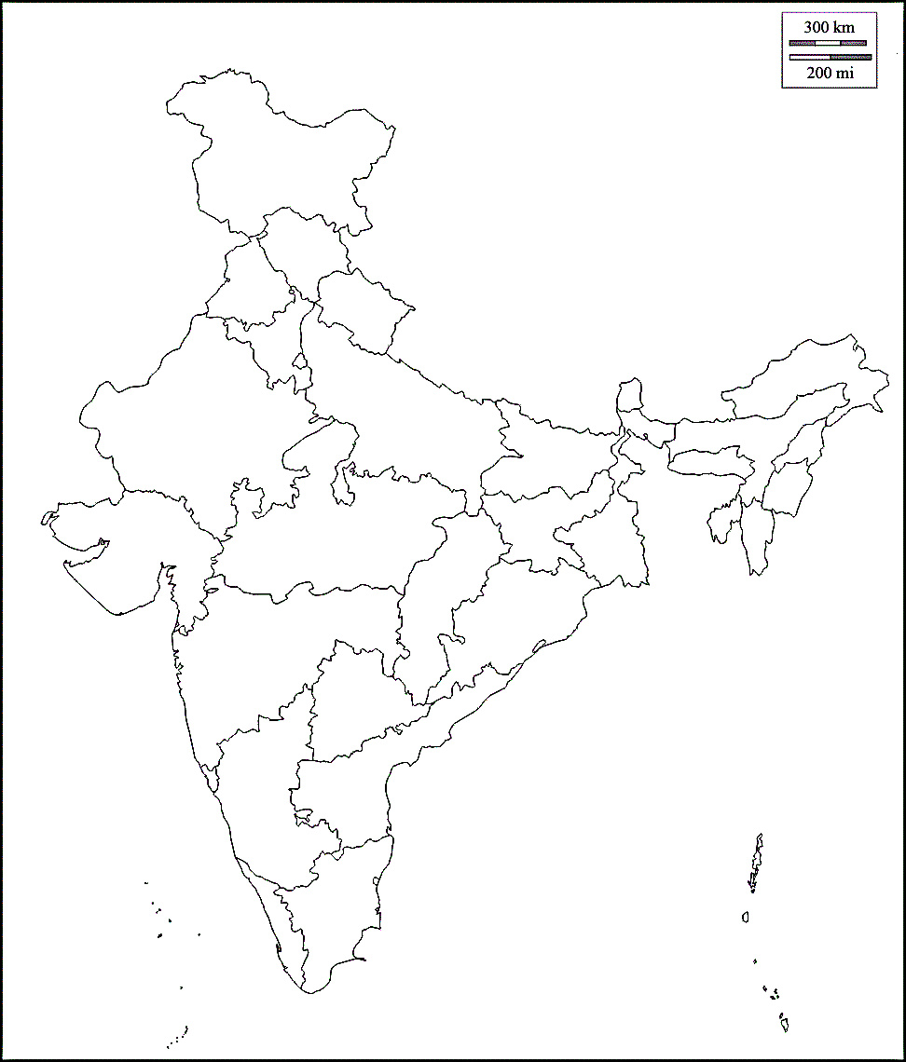

SATE/ UT | Confirmed | Active Cases | Reovered | Deaths | X | Y | SATE/ UT | Confirmed
ANDAMAN AND NICOBAR ISLANDS | 49 | 33 | 16 | 0 | 85.5 | 19 | ANDAMAN AND NICOBAR ISLANDS | 49
ANDHRA PRADESH | 1899 | 1463 | 403 | 33 | 40 | 27 | ANDHRA PRADESH | 1899
ARUNACHAL PRADESH | 2 | 1 | 1 | 0 | 93 | 67 | ARUNACHAL PRADESH | 2
ASSAM | 72 | 42 | 29 | 1 | 87 | 60 | ASSAM | 72
BIHAR | 510 | 426 | 82 | 2 | 65 | 57 | BIHAR | 510
CHATTISGARH | 73 | 56 | 17 | 0 | 50 | 43 | CHATTISGARH | 73
CHANDIGARH | 76 | 40 | 36 | 0 | 35 | 74 | CHANDIGARH | 76
DELHI | 4668 | 3515 | 1094 | 59 | 36 | 67 | DELHI | 4668
GOA | 14 | 7 | 7 | 0 | 26 | 28 | GOA | 14
GUJRAT | 5222 | 4395 | 613 | 214 | 18 | 50 | GUJRAT | 5222
HARYANA | 525 | 313 | 209 | 3 | 32 | 69 | HARYANA | 525
HIMACHAL PRADESH | 69 | 40 | 28 | 1 | 37 | 77 | HIMACHAL PRADESH | 69
JAMMU AND KASHMIR | 838 | 614 | 216 | 8 | 30 | 85 | JAMMU AND KASHMIR | 838
JHARKHAND | 134 | 111 | 20 | 3 | 62 | 51 | JHARKHAND | 134
KARNATAKA | 833 | 576 | 235 | 22 | 30 | 25 | KARNATAKA | 833
KERALA | 884 | 497 | 383 | 4 | 34.5 | 13 | KERALA | 884
LADAKH | 38 | 22 | 16 | 0 | 40 | 83 | LADAKH | 38
MADHYA PRADESH | 3338 | 2719 | 482 | 137 | 40 | 50 | MADHYA PRADESH | 3338
MAHARASHTRA | 12730 | 10498 | 1773 | 459 | 30 | 40 | MAHARASHTRA | 12730
MEGHALAYA | 4 | 2 | 2 | 0 | 80 | 57 | MEGHALAYA | 4
MANIPUR | 13 | 12 | 0 | 1 | 89 | 55 | MANIPUR | 13
MIZORAM | 1 | 1 | 0 | 0 | 86 | 50 | MIZORAM | 1
ODISA | 185 | 143 | 41 | 1 | 60 | 43 | ODISA | 185
PUDUCHERY | 13 | 8 | 5 | 0 | 44 | 18 | PUDUCHERY | 13
PUNJAB | 466 | 357 | 90 | 19 | 30 | 74 | PUNJAB | 466
RAJSHTAN | 3478 | 2584 | 836 | 58 | 25 | 60 | RAJSHTAN | 3478
TAMIL NADU | 3608 | 2323 | 1258 | 27 | 40 | 15 | TAMIL NADU | 3608
TELANGANA | 1506 | 1039 | 441 | 26 | 40 | 35 | TELANGANA | 1506
TRIPURA | 4 | 2 | 2 | 0 | 82.5 | 52 | TRIPURA | 4
UTTAR PRADESH | 93 | 57 | 36 | 0 | 50 | 60 | UTTAR PRADESH | 93
UTTARA KHAND | 2877 | 2281 | 555 | 41 | 43 | 72 | UTTARA KHAND | 2877
WEST BENGAL | 967 | 795 | 139 | 33 | 70 | 50 | WEST BENGAL | 967

Total | 45189 | 34972 | 9065 | 1152

Growth in India
00-01-00 | 1
Timeline | 2
00-01-00 | 3
Main article: Timeline of the 2020 coronavirus pandemic in India | 5
00-01-00 | 6
00-01-00 | 28
COVID-19 cases in India ( | 30
00-01-00 | 31
v | 34
t | 39
e | 44
00-01-00 | 50
) | 60
Deaths Recoveries Active cases | 74
00-01-00 | 81
Jan Jan Feb Feb Mar Mar Apr Apr May May Last 15 days Last 15 days | 84
00-01-00 | 110
Date | 114
30-01-20 | 137
⋮ | 151
02-02-20 | 173
03-02-20 | 223
⋮ | 315
02-03-20 | 360
00-01-00 | 468
03-03-20 | 519
00-01-00 | 606
04-03-20 | 694
00-01-00 | 834
05-03-20 | 918
00-01-00 | 1024
06-03-20 | 1251
00-01-00 | 1397
07-03-20 | 1834
00-01-00 | 2069
08-03-20 | 2547
00-01-00 | 3072
09-03-20 | 3577
00-01-00 | 4281
10-03-20 | 4789
00-01-00 | 5274
11-03-20 | 5865
00-01-00 | 6761
12-03-20 | 7529
00-01-00 | 8447
00-01-00 | 9152
Date
Date | # of cases
0 | 0 |  | 1
Timeline | 0 | (+100%) | 2 | (+1)
0 | 0 | (+50%) | 3 | +1)
Main article: Timeline of the 2020 coronavirus pandemic in India | 0 | (+67%) | 5 | +2)
0 | 0 | (+20%) | 6 | +1)
0 | 0 | (+367%) | 28 | +22)
COVID-19 cases in India ( | 0 | (+7%) | 30 | +2)
0 | 0 | (+3%) | 31 | +1)
v | 0 | (+10%) | 34 | +3)
t | 0 | (+15%) | 39 | +5)
e | 0 | (+13%) | 44 | +5)
0 | 0 | (+14%) | 50 | +6)
) | 0 | (+20%) | 60 | +10)
Deaths Recoveries Active cases | 0 | (+23%) | 74 | +14)
0 | 0 | (+9%) | 81 | +7)
Jan Jan Feb Feb Mar Mar Apr Apr May May Last 15 days Last 15 days | 0 | (+4%) | 84 | +3)
0 | 0 | (+31%) | 110 | +26)
Date | # of cases | (+4%) | 114 | +4)
2020-01-30 | 1(n.a.) | (+20%) | 137 | +23)
⋮ | 1(=) | (+10%) | 151 | +14)
2020-02-02 | 2(+100%) | (+15%) | 173 | +22)
2020-02-03 | 3(+50%) | (+29%) | 223 | +50)
⋮ | 3(=) | (+41%) | 315 | +92)
2020-03-02 | 5(+67%) | (+14%) | 360 | +45)
0 | 0 | (+30%) | 468 | +108)
2020-03-03 | 6(+20%) | (+11%) | 519 | +51)
0 | 0 | (+17%) | 606 | +87)
2020-03-04 | 28(+367%) | (+15%) | 694 | +88)
0 | 0 | (+20%) | 834 | +140)
2020-03-05 | 30(+7.1%) | (+10%) | 918 | +84)
0 | 0 | (+12%) | 1,024 | +106)
2020-03-06 | 31(+3.3%) | (+22%) | 1,251 | +227)
0 | 0 | (+12%) | 1,397 | +146)
2020-03-07 | 34(+9.7%) | (+31%) | 1,834 | +437)
0 | 0 | (+13%) | 2,069 | +235)
2020-03-08 | 39(+15%) | (+23%) | 2,547 | +478)
0 | 0 | (+21%) | 3,072 | +525)
2020-03-09 | 44(+13%) | (+16%) | 3,577 | +505)
0 | 0 | (+20%) | 4,281 | +704)
2020-03-10 | 50(+14%) | (+12%) | 4,789 | +508)
0 | 0 | (+10%) | 5,274 | +485)
2020-03-11 | 60(+20%) | (+11%) | 5,865 | +591)
0 | 0 | (+15%) | 6,761 | +896)
2020-03-12 | 74(+23%) | (+11%) | 7,529 | +768)
0 | 0 | (+12%) | 8,447 | +918)
0 | 0 | (+8%) | 9,152 | +705)

